Sheet1
 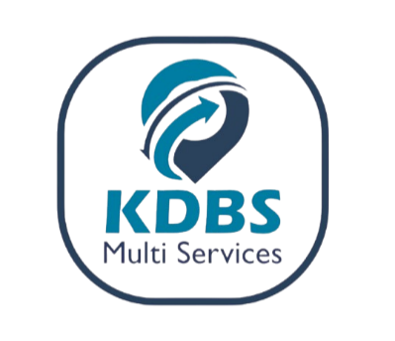
PROFORMA INVOICE
Office line: 0394001400

Country: UGANDA |  |  | FERI/AD: 2025TSLTZ1552532 |  |  | 2025-08-16

DEBTOR: M/S AMS EVERGREEN SHIPPING LLC

IMPORTER : ETS MUMBEREKASUMBA MOISE
CERTIFICATE (FERI/ADR/AD) No : 2025TSLTZ1552532

Description | Unit | Quantity | Per Unit Cost | Total Amount | Exchange Rate | Total Amount (UGX SHS)
AMC2418598 | CBM/ Container size | 110 | € 3.00 | € 330.00 | UGX 3,800.00 | UGX 1,254,000.00
 | No. of Entries | 1 | € 40.00 | € 40.00 | UGX 3,800.00 | UGX 152,000.00
SUB-TOTAL EURO |  |  |  | € 370.00
AD (CERTIFICATE OF DESTINATION) | No. of Entries | 3 | $20.00 | $60.00 | UGX 3,700.00 | UGX 222,000.00
TRANSPORTER DRC FREIGHT TAX (1.8% of freight cost) | Freight Cost | $750.00 | 1.80% | $13.50 | UGX 3,700.00 | UGX 49,950.00
SUB-TOTAL USD |  |  |  | $73.50 | UGX 3,700.00 | UGX 271,950.00
DISCOUNT APPLIED |  |  |  | $0.00 | UGX 3,700.00 | UGX -
GRAND TOTAL |  |  |  | $458.30 | UGX 3,700.00 | UGX 1,677,950.00
EXCHANGE RATES ARE BASED ON THE DAILY CENTRAL BANK OF UGANDA &ECB RATES For Reference visit: www.bou.or.ug

UBA BANK (UGX) - 0253002189 (KDBS MULTI-SERVICES LIMITED)
UBA BANK (USD) - 0253002196 (KDBS MULTI-SERVICES LIMITED)
MTN MERCHANT- 407323 (KDBS MULTI-SERVICES LIMITED)

AIRTEL MERCHANT - 4395021 (KDBS MULTI-SERVICES LIMITED)

EQUITY BANK (UGX) - 1044203459111 (KDBS MULTI-SERVICES LIMITED)

EQUITY BANK (USD) - 1044203459156 (KDBS MULTI-SERVICES LIMITED)

